Sheet1
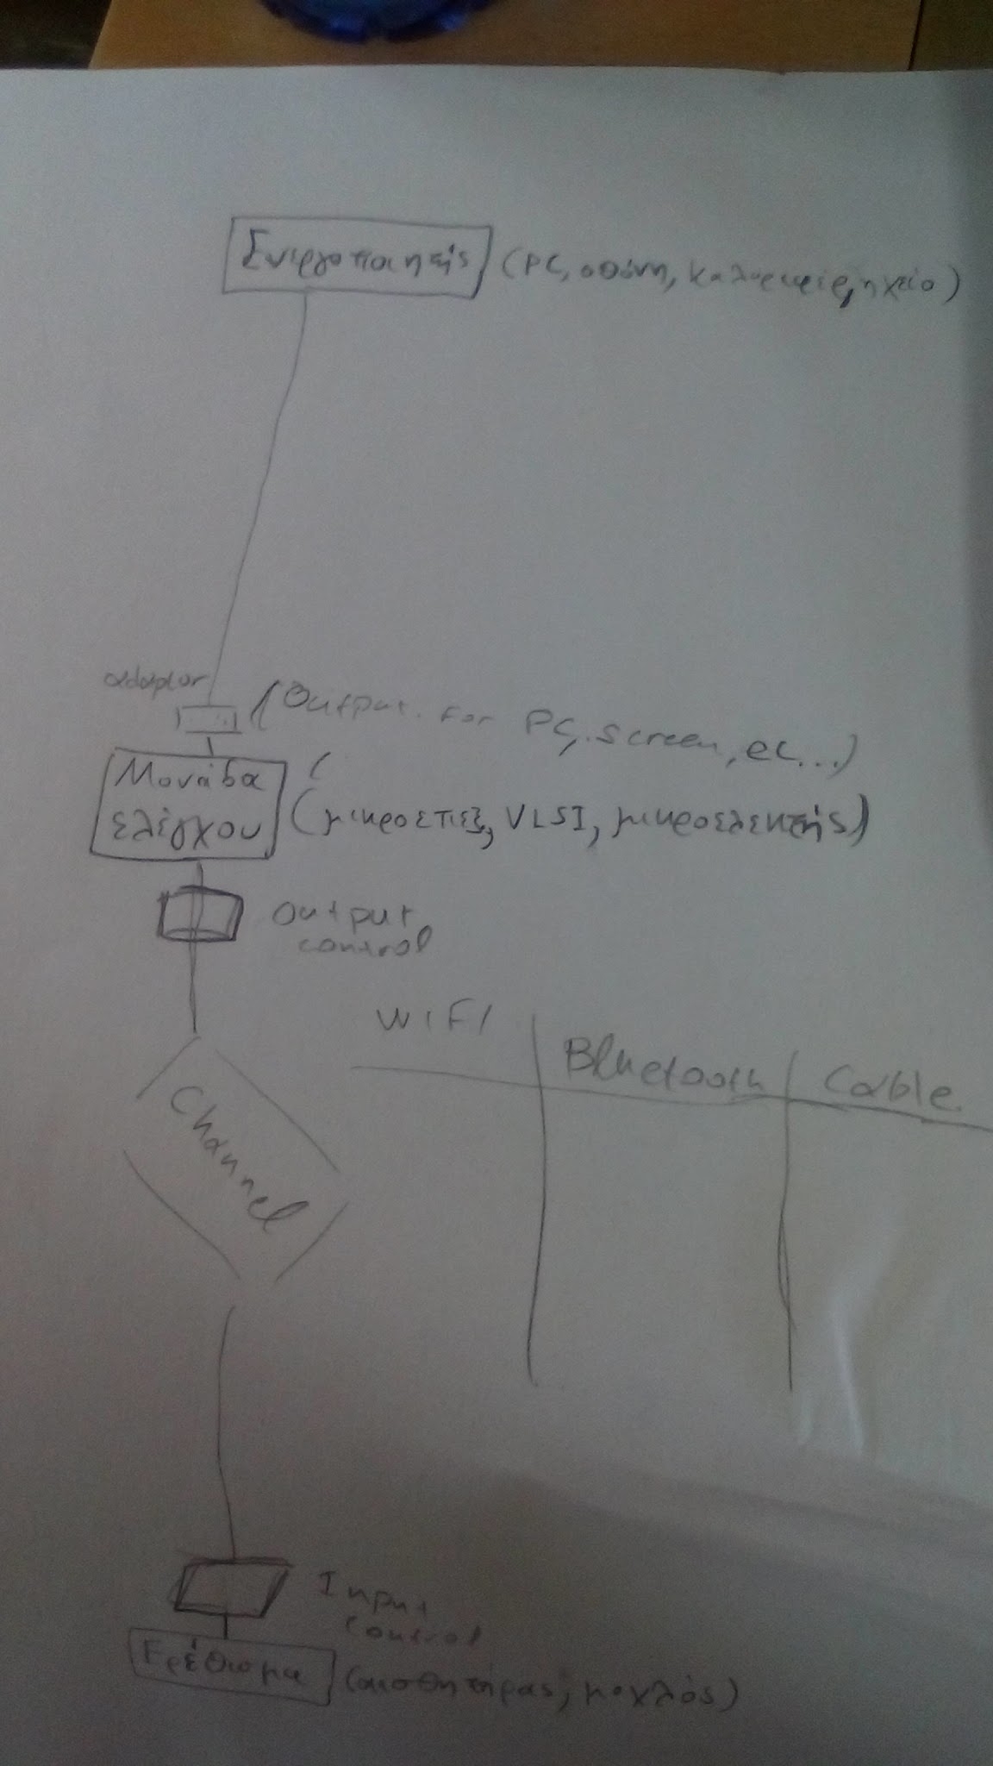
Layer |  | Description | Comments
Output | 8.Actuator | Screen, PC, tablet, Home
Information Flow | 7.Output Control | Adaptor for the output of control unit
 | 6.Channel | cable,wifi
Logical synthesis | 5.Control Unit | Microcontroler, Microprocecor, VLSI system
Information Flow | 4.Output Control | Adaptor for the specific Channel
 | 3.Channel | wifi,bluetooth,cable
 | 2.Input Control | Adaptor for the specific stimulus
Input | 1.Stimulus | Sensors,Buttons,Cam,Joystick etc.

